Instructions
Instructions for using this spreadsheet:
1. Change your categories to meet your needs. To change the categories of the spreadsheet, just type over the existing category names in the table. Do NOT change the names in the "Subaccount Totals" section. Those titles will automatically change when you adjust the categories in the table.
2. To enter a new line, select the last cell in the table and press the <Tab> key.
Happy Budgeting!

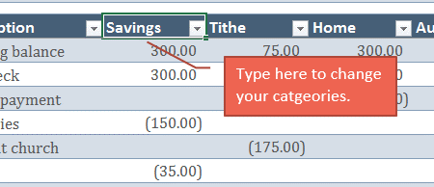

Sample Data:

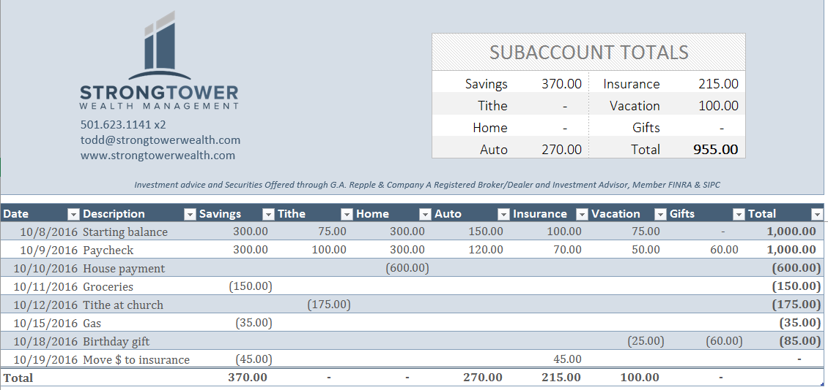

This shows you the running total balance of your checking account.

In this example, we spent $85 on a gift but didn't have enough money in our gifts category. We chose to pull the extra $25 needed from the vacation category to cover the shortfall.

On 10/19, we realized that there wasn't enough money in our insurance category for the next payment. We entered a transaction to move money from general savings to insurance.

Budget

501.623.1141 x2
todd@strongtowerwealth.com
www.strongtowerwealth.com
 |  |  |  |  | SUBACCOUNT TOTALS
 |  |  |  |  | Savings | - | Insurance | -
 |  |  |  |  | Tithe | - | Vacation | -
 |  |  |  |  | Home | - | Gifts | -
 |  |  |  |  | Auto | - | Total | -
Investment advice and Securities Offered through G.A. Repple & Company A Registered Broker/Dealer and Investment Advisor, Member FINRA & SIPC

Date | Description | Savings | Tithe | Home | Auto | Insurance | Vacation | Gifts | Total

Total |  | - | - | - | - | - | - | -

